Feuille1
O bag .scocca body

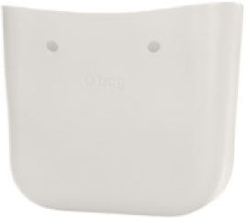

code OBAGB001 EVS00

descrizione scocca O bag EVA
compound
materiale EVA compound
abbinamenti manici e tracolle - bordi -
chiusure street - sacche interne

description O bag EVA compound body
material EVA compound
components handles and shoulder
straps - trims - street fastening - inner
bags

col. 002 col. 463 col. 038
amaranto blu maya grafite
amaranth maya blue graphite

.pink attitude .pink attitude .pink attitude

col. 050 col. 076 col. 485
melanzana rosso atlantic
aubergine red atlantic

.british countryside .royal ascot .british .british countryside
countryside

col. 018 col. 024 col. 540
bordeaux cioccolato curry
burgundy chocolate curry

.royal ascot .british .british countryside .royal ascot .british
countryside countryside

col. 559 col. 075 col. 389
rame rosa smoke silver
copper rose smoke silver

.british countryside .british countryside .pink attitude

04. O bag fall 2018

Feuille2


col. 541 col. 017 col. 371
verde bosco blu navy latte
green forest navy blue milk

.royal ascot
.continuativo/carry over
.royal ascot
.continuativo/carry over
.royal ascot .pink attitude
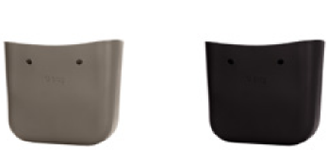

col. 071
roccia
rock
.continuativo/carry over
.royal ascot
col. 055
nero
black
.continuativo/carry over
.pink attitude
col. 078
sabbia
sand
.continuativo/carry over
.british countryside
scocche bodies 05.

